Sayfa1
 | FORM NO : LAB.FRM.31 / 06.03.2015 / Rev. 0
 | BİRİM : SERTİFİKASYON |  | DÖNEM: 2015 |  | SAYFA NO:

TEMPERATURE RESISTANCE TEST REPORT

Date | 2015-03-11
Report Code | 110315.VINYLAFS.01
Product | VINYLAFS GREY
Diameter | Ø127 mm
Length | 1 m
RESULTS
Time(min) | Inlet Temperature (˚C) | Outlet Temperature (˚C) | Photograph No. |  | Evaluation
0 | 70 | 60 | 40 | 1 | The sample was tested at an inlet temperature of 70ºC for 4 hours and photographed hourly. At the end of the 4 hour test no tears or ruptures were observed.Just a little sag is observed during test.
60 | 74 | 62 | 38 | 2
120 | 70 | 63 | 38 | 3
180 | 72 | 60 | 38 | 4
240 | 79 | 62 | 38 | 5

PHOTOGRAPHS

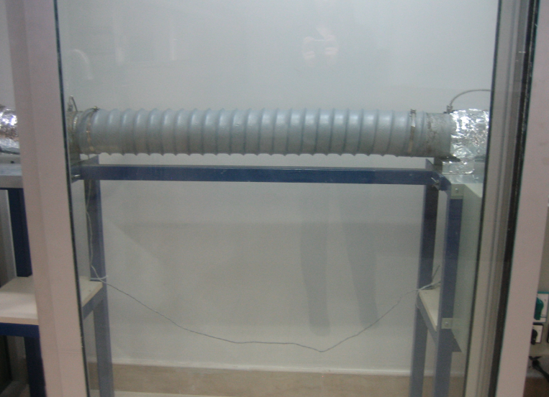

1

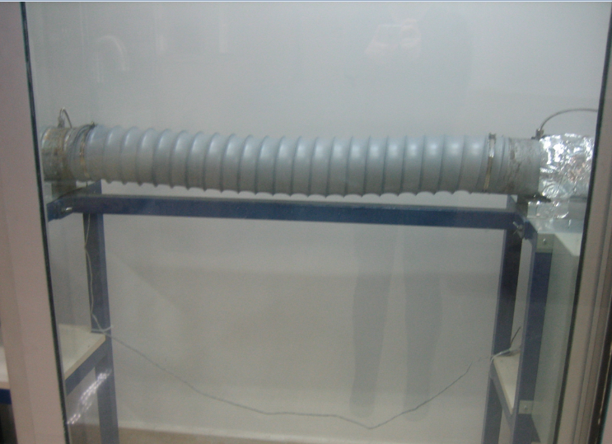
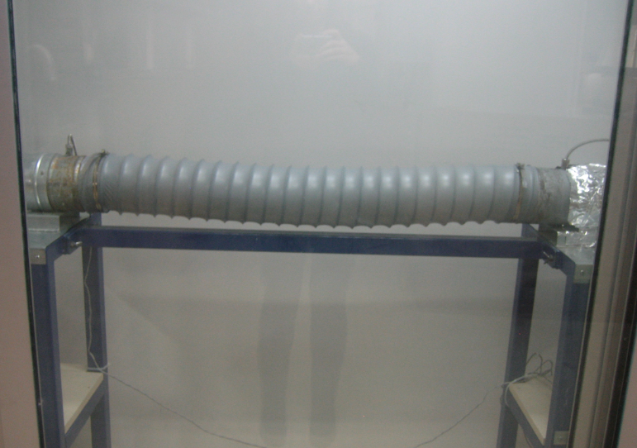

2
3

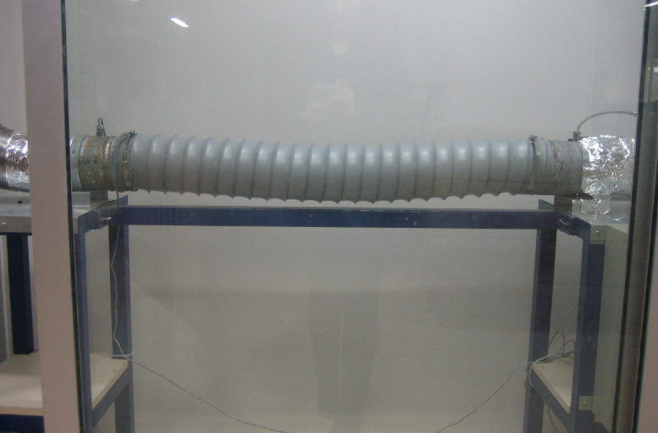
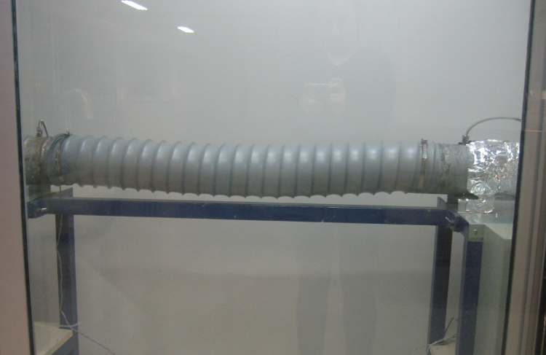

4
5

