Sayfa1
 | FORM NO : LAB.FRM.31 / 06.03.2015 / Rev. 0
 | BİRİM : SERTİFİKASYON |  | DÖNEM: 2015 | SAYFA NO:

TEMPERATURE RESISTANCE TEST REPORT

Date | 2017-06-19
Report Code | 190617.ALU.02
Product | SONOAFS-ALU.70
Diameter | Ø127 mm
Length | 1 m
RESULTS
Time(min) | Inlet Temperature (˚C) | Outlet Temperature (˚C) | Photo No. | Evaluation
0 | - | - | 1-3 | The sample was tested at an inlet temperature of 150ºC for 2 hours and photographed. At the end of the 2 hour test no tears or ruptures were observed and the insulation material was not deformed.
60 | 154 | 138
120 | 144 | 133
180 | 146 | 135
240 | 152 | 138

PHOTOGRAPHS

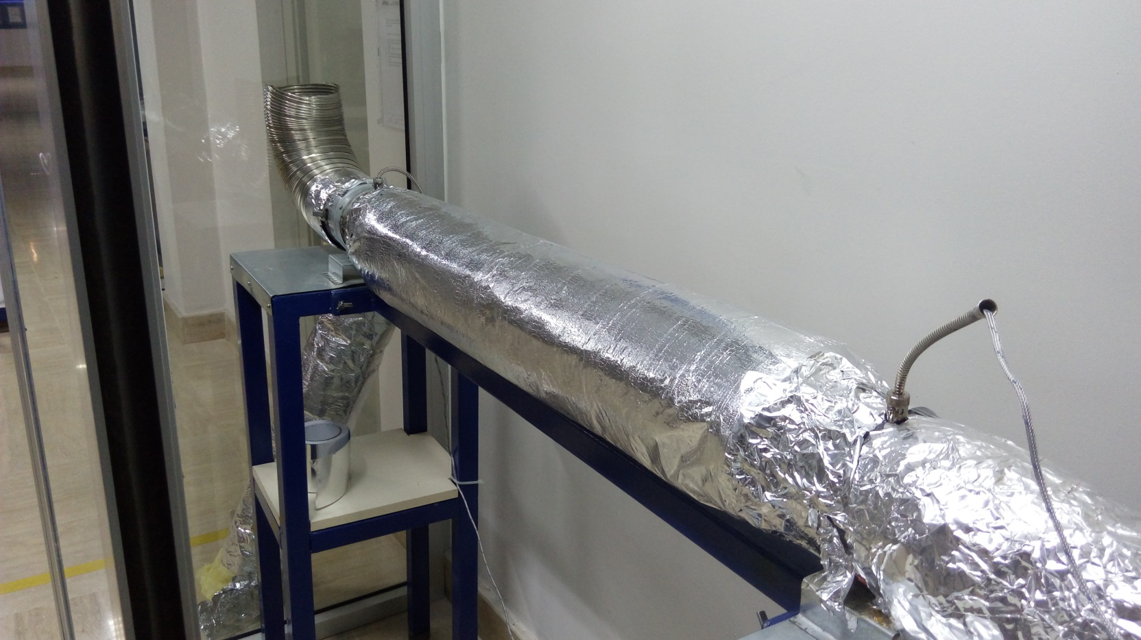

1

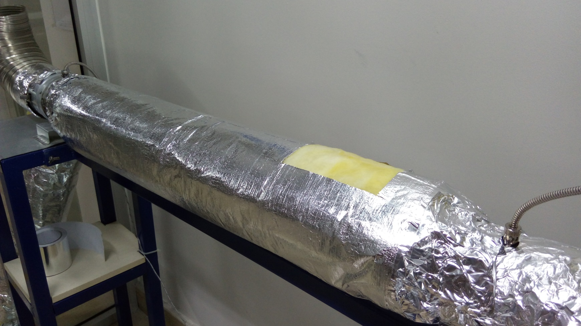

2
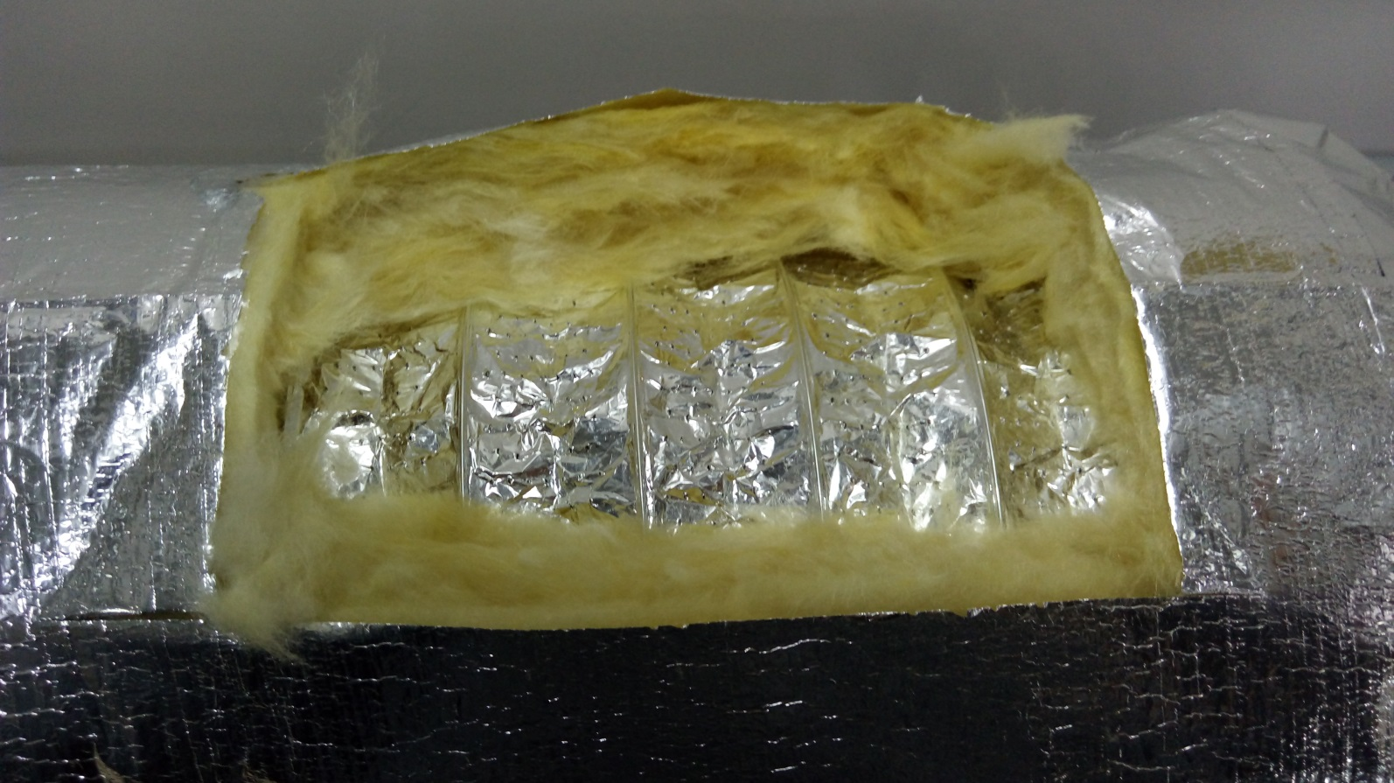

3

