Sayfa1
 | FORM NO : LAB.FRM.31 / 06.03.2015 / Rev. 0
 | BİRİM : SERTİFİKASYON |  |  |  | SAYFA NO:1

TEMPERATURE RESISTANCE TEST REPORT

Date | 2015-04-06
Report Code | 060415.PVCAFS.WHITE.01
Product | PVCAFS WHITE
Diameter | Ø127 mm
Length | 1 m
RESULTS
Time(min) | Inlet Temperature (˚C) | Outlet Temperature (˚C) | Wire Pitch (mm) | Photograph No. | Evaluation
0 | - | - | 55 | 1 | The sample was tested at an inlet temperature of 80ºC for 4 hours and photographed hourly. At the end of the 4 hour test no tears or ruptures were observed.
60 | 82 | 68 | 55 | 2
120 | 81 | 67 | 55 | 3
180 | 81 | 72 | 55 | 4
240 | 81 | 68 | 55 | 5

PHOTOGRAPHS

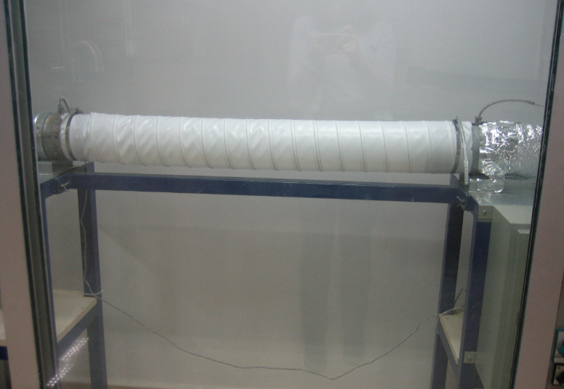
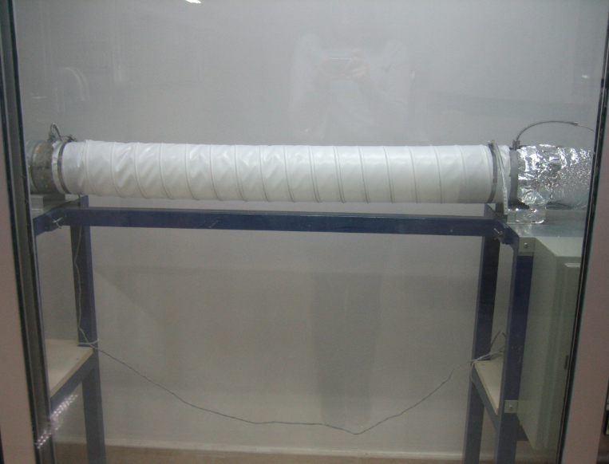

1
2

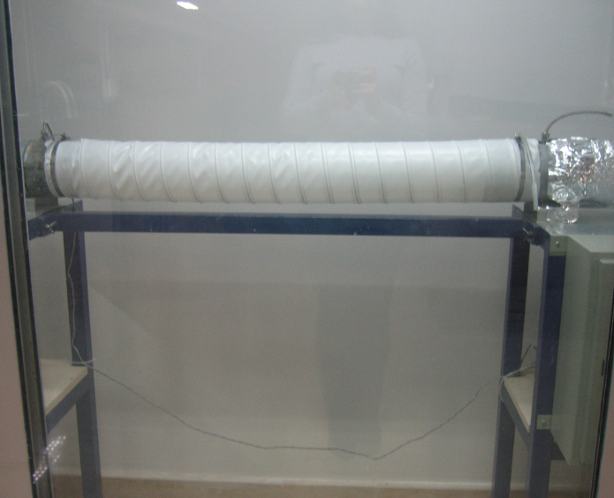
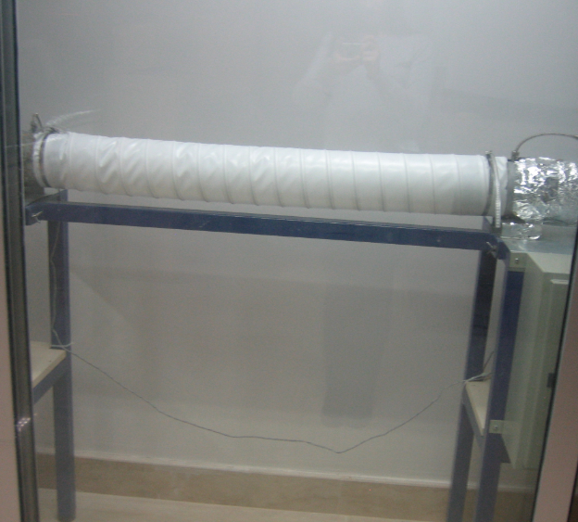

3
4

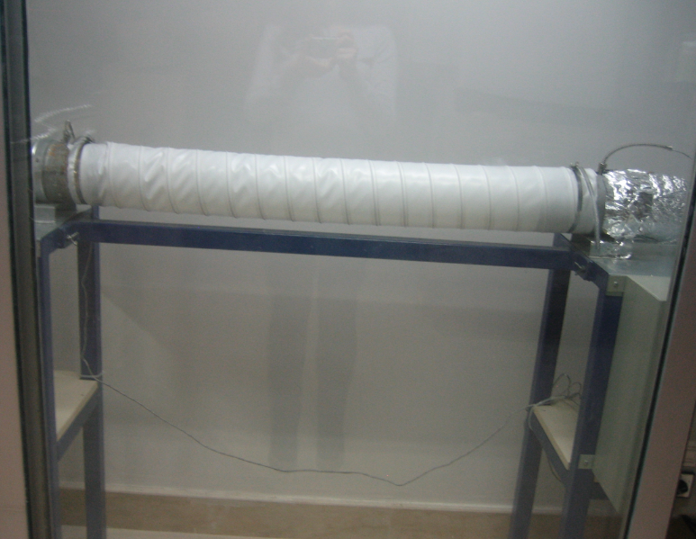

5

