Sayfa1
 |  | FORM NO : LAB.FRM.31 / 06.03.2015 / Rev. 0
 |  | BİRİM : SERTİFİKASYON |  | DÖNEM: |  | SAYFA NO:

 | TEMPERATURE RESISTANCE TEST REPORT

 | Date | 2015-08-26
 | Report Code | 260815.POLY.01
 | Product | POLYAFS
 | Diameter | Ø127 mm
 | Length | 1 m
 | RESULTS
 | Time(min) | Inlet Temperature (˚C) | Outlet Temperature (˚C) | Photograph No. | Evaluation
 | 0 | - | - | 1 | The sample was tested at an inlet temperature of 120ºC for 4 hours. The sample was photographed hourly. At the end of the 4 hour test no tears or ruptures were observed.
 | 60 | 122 | 97 | 2
 | 120 | 122 | 97 | 3
 | 180 | 121 | 95 | 4
 | 240 | 122 | 96 | 5

PHOTOGRAPHS

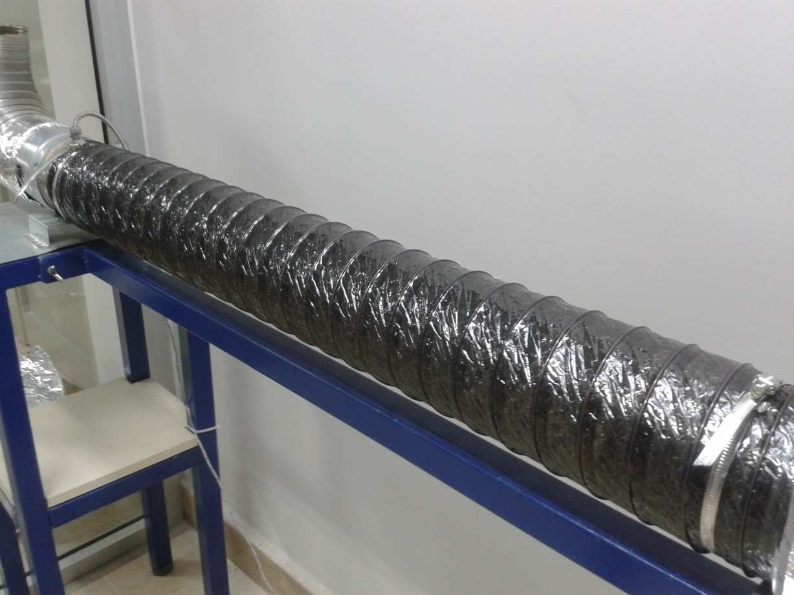

 | 1

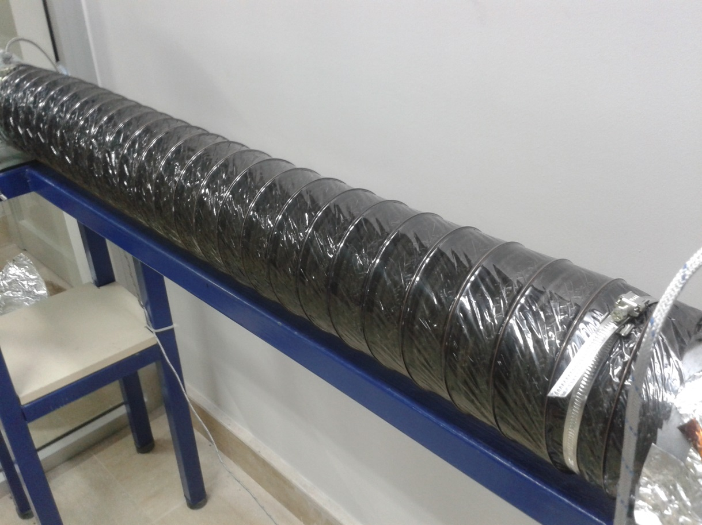

 | 2
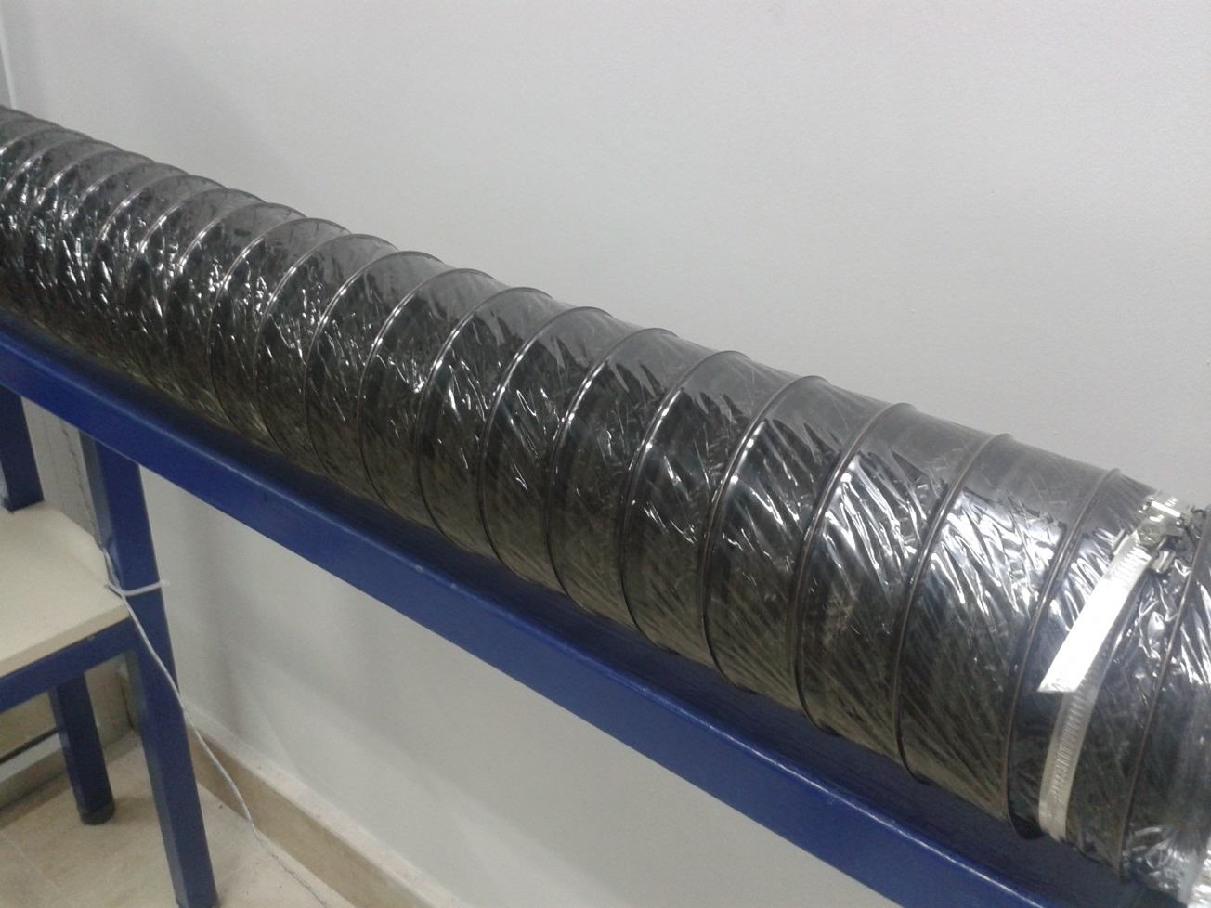

 | 3

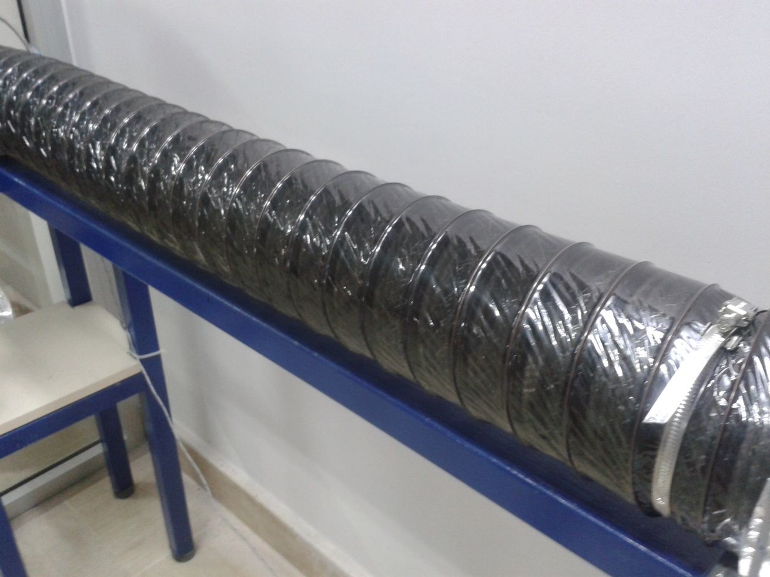

 | 4

 | 9 |  |  | 10

 | 11 |  |  | 12

