Sayfa1
 |  | FORM NO : LAB.FRM.31 / 06.03.2015 / Rev. 0
 |  | BİRİM : SERTİFİKASYON |  | DÖNEM: 2015 | SAYFA NO:

 | TEMPERATURE RESISTANCE TEST REPORT

 | Date | 2015-01-29
 | Report Code | 130215.EH.01.PUSI
 | Product | CLIPSIMFLEKS-HT900 / CLIPAFS-HT900
 | Diameter | Ø127 mm
 | Length | 1 m
 | RESULTS
 | Time(min) | Inlet Temperature (˚C) | Outlet Temperature (˚C) | Photograph No. | Evaluation
 | 0 | - | - | 1 | The sample was tested at an inlet temperature of 500ºC for 4 hours and photographed hourly. At the end of the first hour, colour changes were started. At the end of the 5 hour test no tears or ruptures were observed.
 | 60 | 491 | 310 | 2-3
 | 120 | 487 | 314 | 4
 | 180 | 502 | 317 | 5
 | 240 | 506 | 320 | 6
 | 300 | 503 | 320 | 7
 | NOTE: 500 ºC is the maximum achieved temperature by the available mechanism at AFS Labratory.

 | PHOTOGRAPHS
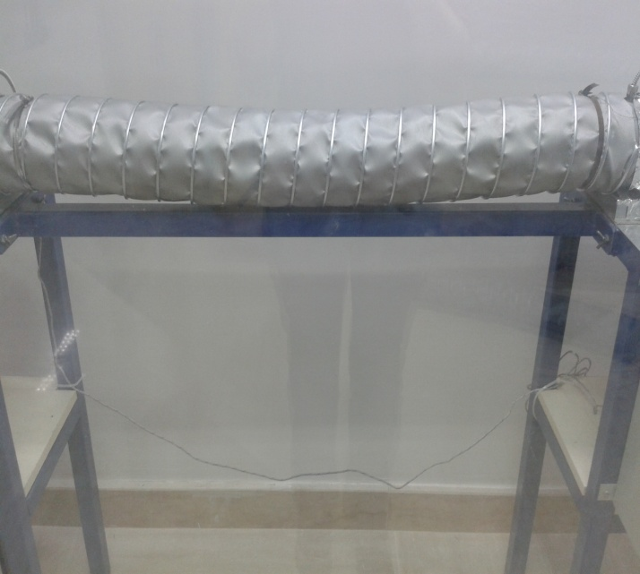

 | 1
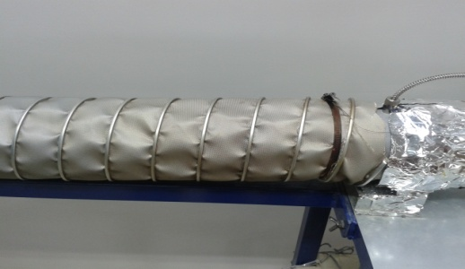

2 |  |  |  | 3
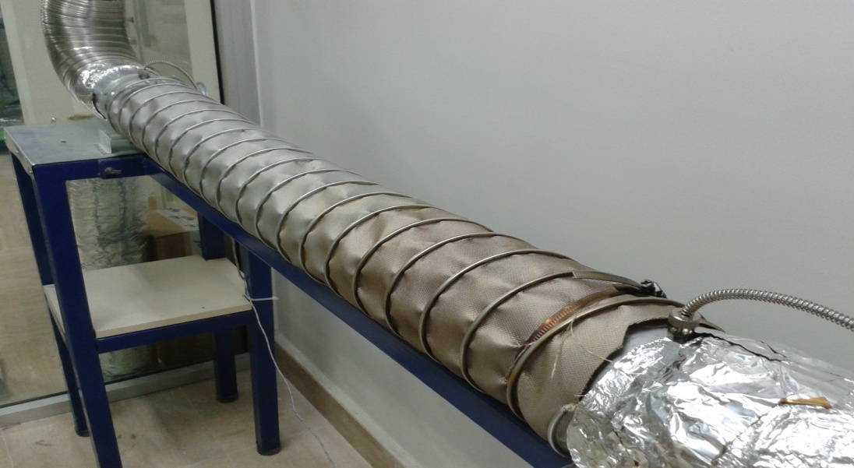
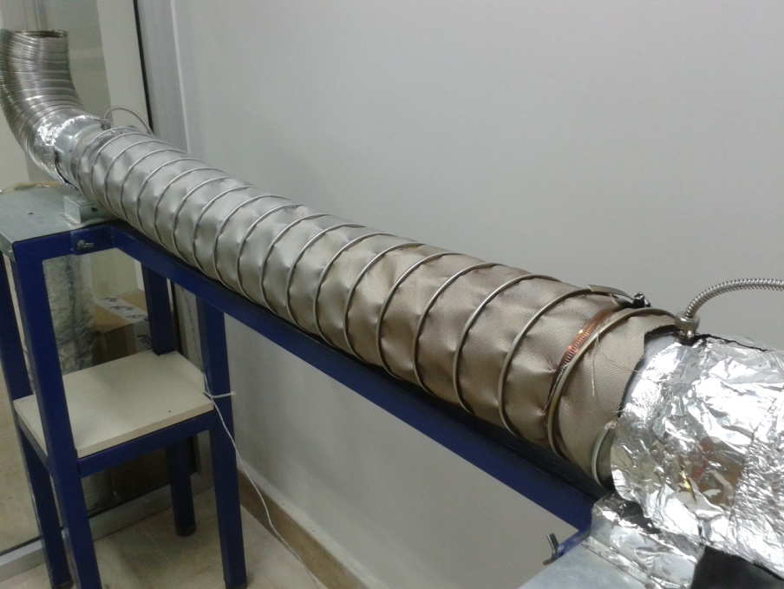

4 |  |  |  | 5
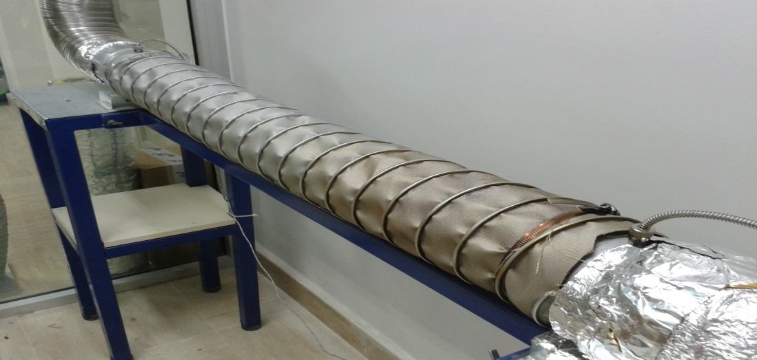
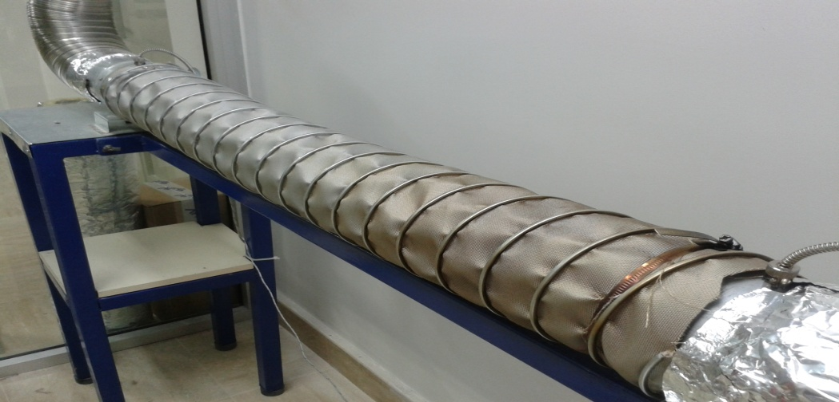

6 |  |  | 7

