Sayfa1
 | FORM NO : LAB.FRM.31 / 06.03.2015 / Rev. 0
 | BİRİM : SERTİFİKASYON | DÖNEM: 2015 | SAYFA NO:

TEMPERATURE RESISTANCE TEST REPORT

Date | 2015-01-29
Report Code | 290115.EH.01.PUSI
Product | CLIPSIMFLEKS-HT900 / CLIPAFS-HT900
Diameter | Ø127 mm
Length | 1 m
RESULTS
Time(min) | Temperature (ºC) | Photograph No. | Evaluation
0 | - | 1 | The sample was tested at an inlet temperature of 400ºC for 8 hours and photographed hourly. At the end of the first hour, colour changes were started. At the end of the 8 hour test, no tears or ruptures were observed.
60 | 400 | 2-3
120 | 400 | 4-5
180 | 400 | 6-7
240 | 400 | 8-9
300 | 400 | 10-11
360 | 400 | 12-13
420 | 400 | 13-14

PHOTOGRAPHS

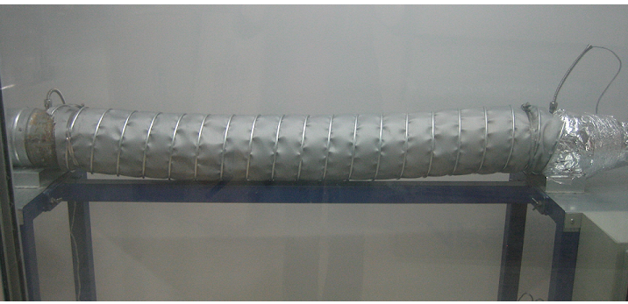

 | 1
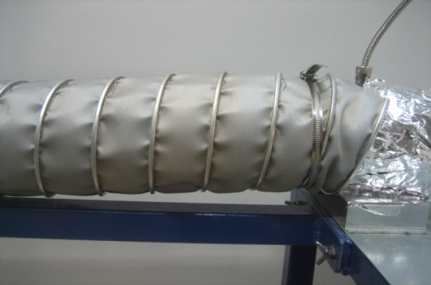
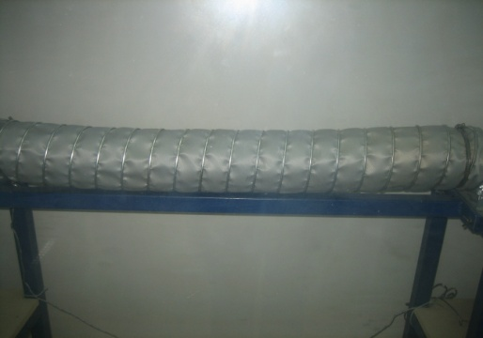

2 |  | 3

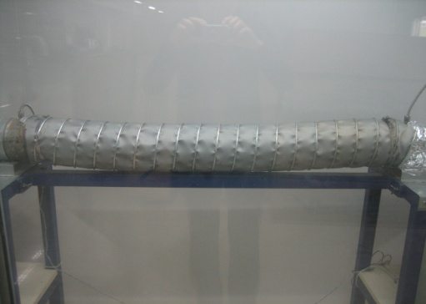
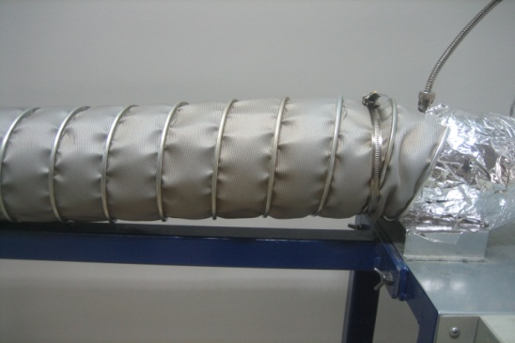

4 |  | 5

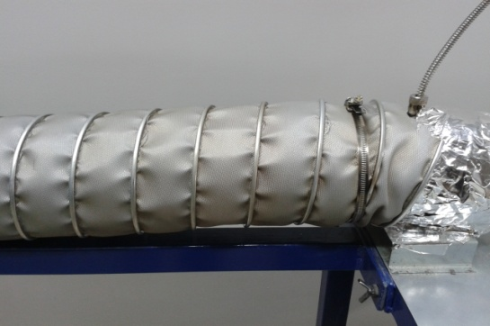
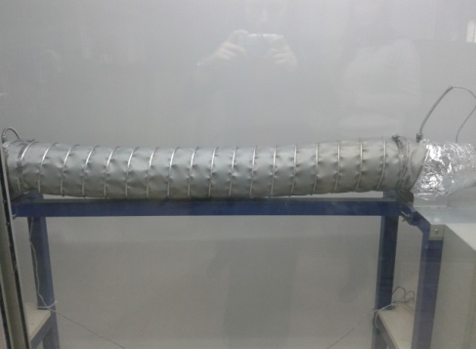

6 |  | 7

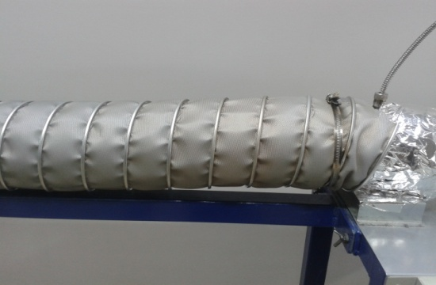
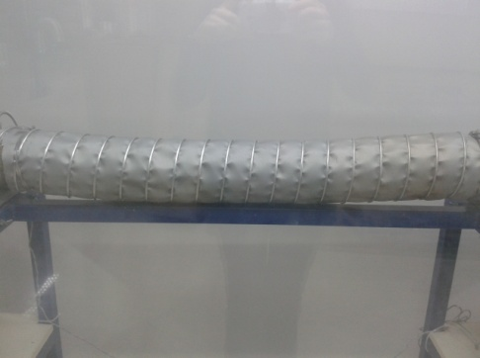

8 |  | 9

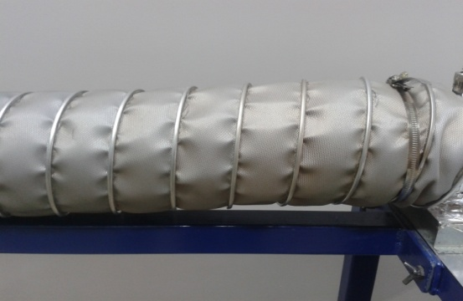
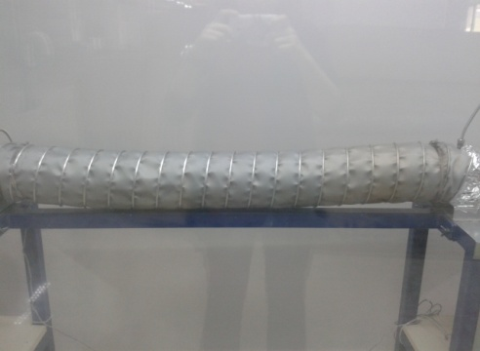

10 |  | 11

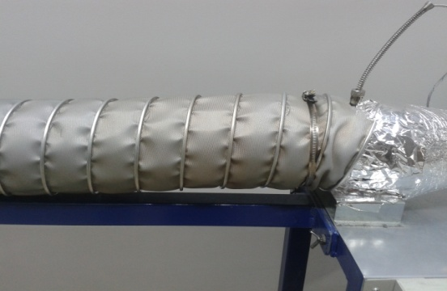
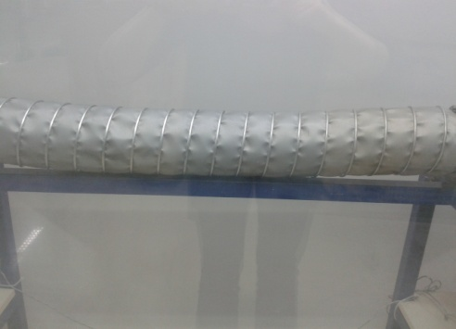

12 |  | 13

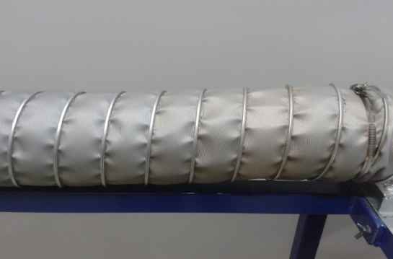
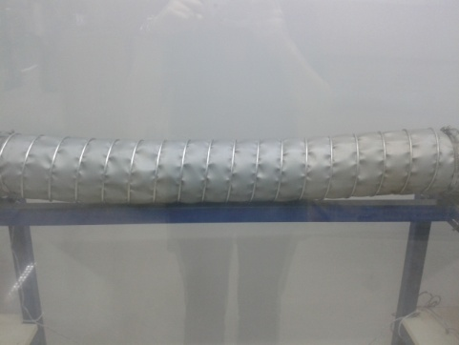

15 |  | 16

