Sayfa1
 | FORM NO : LAB.FRM.31 / 06.03.2015 / Rev. 0
 | BİRİM : SERTİFİKASYON |  | DÖNEM: 2015 | SAYFA NO:

TEMPERATURE RESISTANCE TEST REPORT

Date | 2017-11-01
Report Code | 011117.ALU.01
Product | ALUAFS.F
Diameter | Ø127 mm
Length | 1 m
RESULTS
Time(min) | Inlet Temperature (˚C) | Outlet Temperature (˚C) | Photograph No. | Evaluation
0 | - | - | 1 | The sample was tested at an inlet temperature of 300ºC for 1 hour and photographed. At the end of the test, no tears, flaps or ruptures were observed.
15 | 299 | 231 | 2
30 | 304 | 235 | 3
45 | 301 | 232 | 4
60 | 299 | 234 | 5

FOTOĞRAFLAR
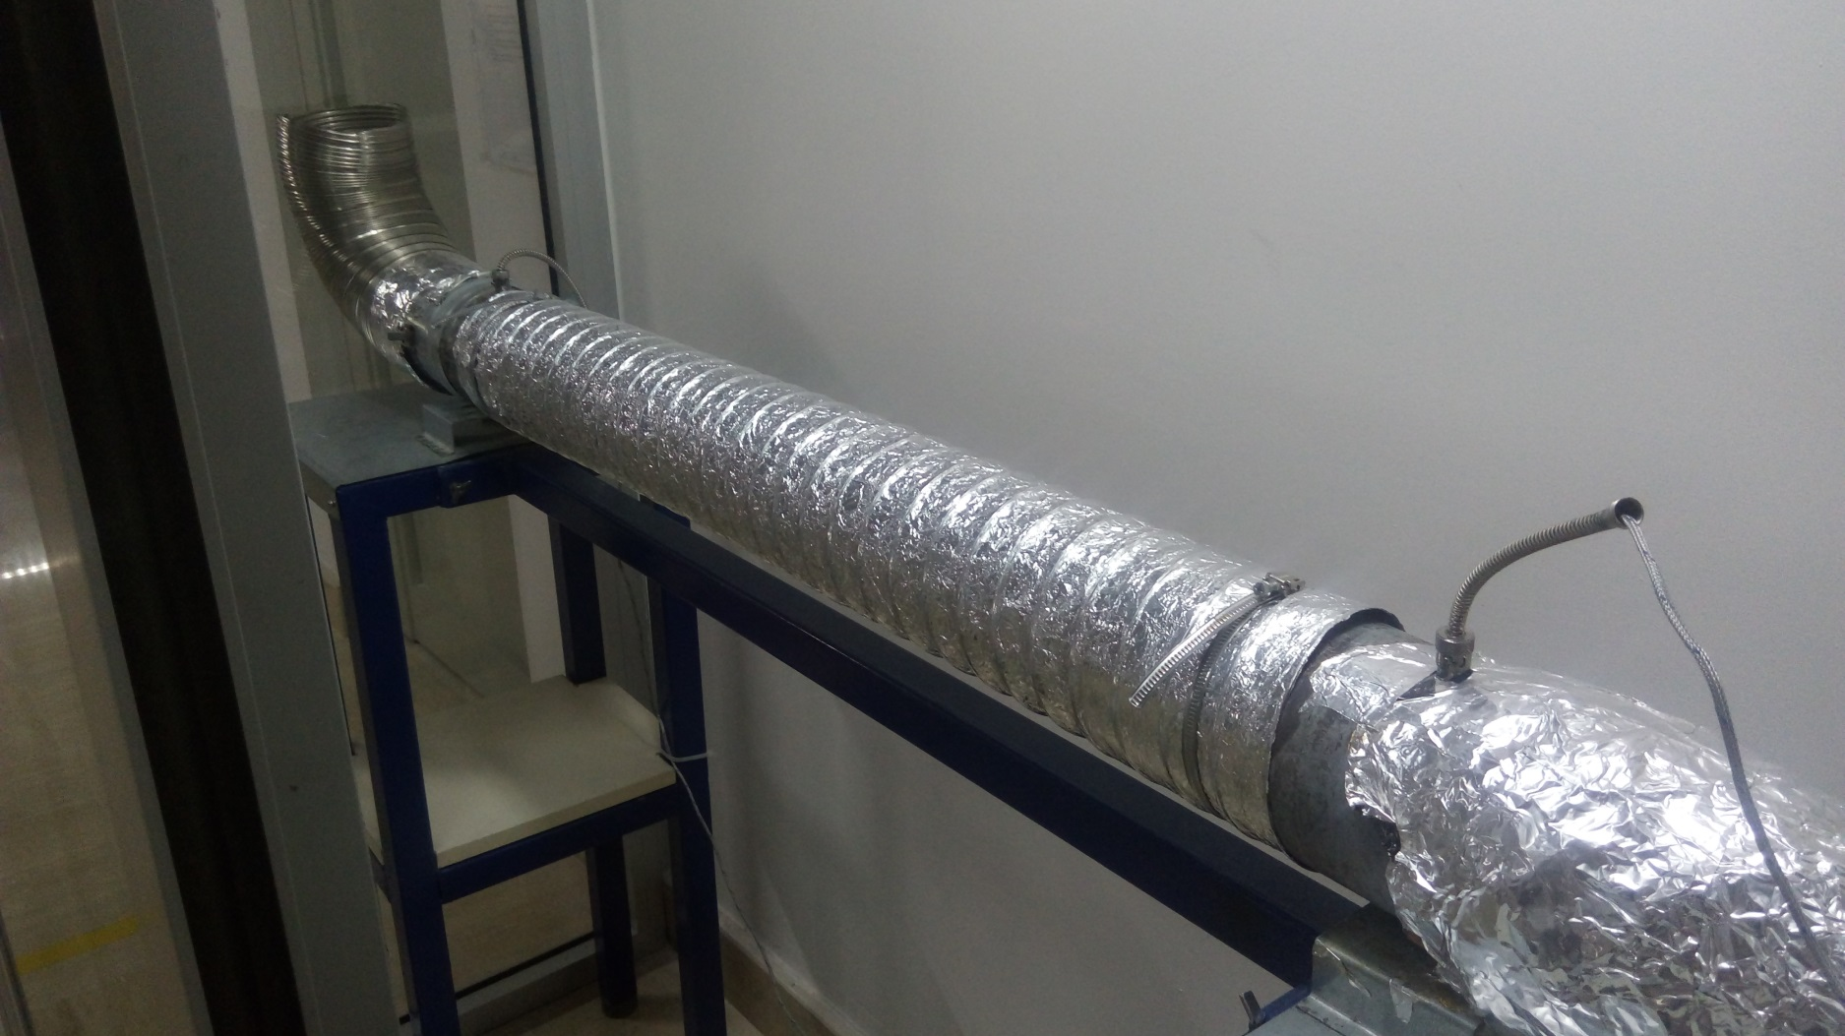

1

2

3

4

5

